items flow control
- Admin page
- Admin only
ITEMS CONTROL FLOW

item ID:
item Name:
item Category:
Price:
Delete
Edit

onclick = "deleteObject(index)"
- Admin page

- Admin only
Delete

item ID:
item Name:
item Category:
Price:
Add
select img
onclick = "editItem(index)"

+) Show in Admin page > Inventory
Edit

onclick = "openPopUpAddItemWindow()"
onclick = "addItemToItemList()"

itemList (localStorage)
itemList = [{ },{ },{ },...];

Add item

localStorage: userInforList
userInforList = [userInfor0, userInfor1,
... ];
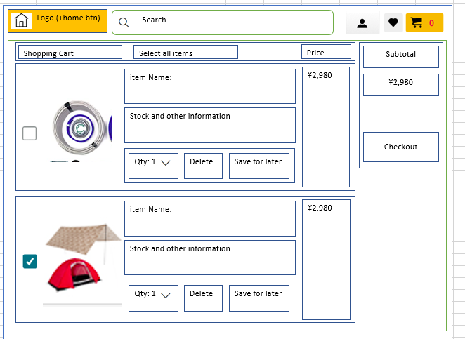

+) Show in Shopping page
- Shopping page
- User only
- Cart page
- User only

User login
item Name:
Rating:
Price:
onclick = "jumpToShoppingPage()"

+) Show items in Cart page

+) userInfor0
userInfor0 = [{ }, { }, { }, { }];
or
userInfor0 = [ user, itemsInCart, itemsInFavorite, itemsInSaved ];
//itemsInCart
let itemsInCart = new itemForOneUser();
//itemsInFavorite
let itemsInFavorite = new itemForOneUser();
//itemsInSaved
let itemsInSaved = new itemForOneUser();
//user
let user = new userObject();

//itemsInCart
 | p

//itemsInFavorite

+) Show items in Favorite page

onclick = "jumpToFavoritePage()"

//itemForOneUser constructor
let itemForOneUser = {
itemName: itemName,
itemId: [ ],
itemQuantity: [ ],
itemPrice: [ ],
img: imgSource
}

